3. AT Tree
Asset Type Tree
Use Cases |  | Visually see hierarchial relationships between records.
 |  | Have information visbile in the tree to identify records, such as the code and the description.
 |  | Select a record and view children records associated with the record.
 |  | Determine the type of record being represented (by means of icon)
 |  | Determine the development status of the Asset Types based on a visual cue
 |  | Sort the order of records visible based on a user defined sequence for records on the same level.
 |  | Sort the order of records visible based on an alphabetical order.
 |  | Sort the order of records visible based on the record codes.
 |  | Insert a variety of types of records as children of a record.
 |  | Copy records and paste them at a different places in the tree.
 |  | Cut records and move them to different locations in the tree.
 |  | See records made inActive or deleted.
 |  | Determine which records were inherited by a parent record based on a visual cue.
 |  | See a legend to view the definition of visual cues.
 |  | Navigate through the tree from a specific record that takes you to the record's spot in the tree.

Tree Interaction
 | Nodes | Development Status | This composition is repeated for all entities in the Asset Type tree.
 |  | Icon to indicate record type
 |  | Code
 |  | Description

 | Selection | Depending on the type of record that is being selected in the tree, the ability to create children records will be visible and not visible such as the custom actions listed below. Rules are also explained below

Custom Actions |  | Profile Manager
 |  | Save Profile
 |  | Save as new Personal Profile
 |  | Set Active
 |  | Set Inactive
Right click also available |  | Cut | All entities in the Asset Type Tree can be cut and pasted, with the Parent Constrainsts still applying. When an entity is cut and pasted, the Code of the entity and all details remain the same.
Right click also available |  | Copy | All entities in the Asset Type Tree can be cut and pasted, with the Parent Constrainsts still applying. When an entity is copied and pasted, On Key generates a new name for the entity
Right click also available |  | Paste | Option is not available when an entity has not been either copied or cut.

Right click also available |  | New Asset Folder | Option available when Root or Asset Type Folder is selected
Right click also available |  | New Asset Type | Option available when Root, Asset Type, or In-Place Asset Type is selected.
Right click also available |  | New In-Place Asset Type | Option available when Asset Type is selected or In-place asset type
Right click also available |  | New Asset Type Placeholder | Option available when Asset Type, In-place asset type or asset type placeholder is selected.

Right click also available |  | New Component Placeholder | Option available when Asset Types, In-place Asset Types, Components, and Component Placeholders
Right click also available |  | New Component | Option available when Asset Types, In-place Asset Types, Components, and Component Placeholders

Right click also available |  | New Task | Option available when Asset Type or Component is selected
Right click also available |  | Link Existing Standard Tasks | Option available when Asset Type or Component is selected
Right click also available |  | Break Link to Standard Task | Option available when Asset Type or Component is selected
Right click also available |  | Create Standard Task From Selected Task | Option available when Asset Type or Component is selected

Right click also available |  | Change Status To Under Development
Right click also available |  | Change Status To Awaiting Confirmation
Right click also available |  | Change Status to Deleted Awaiting Confirmation
Right click also available |  | Accept Development
Right click also available |  | Reject Development
Right click also available |  | Compare Changes
Right click also available |  | Synchronise

Right click also available |  | Asset Types | From this node down.
Right click also available |  | Components
Right click also available |  | Tasks
Right click also available |  | Follow-up Tasks
Right click also available |  | Labour
Right click also available |  | Scenarios
Right click also available |  | Spares
Right click also available |  | Special Resources
Right click also available |  | Suppressed
Right click also available |  | Criticality Analysis

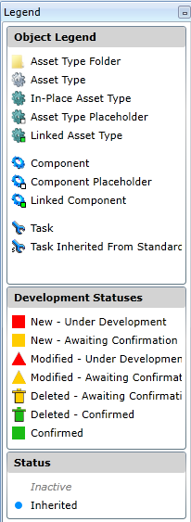
 |  | Legend | ?
 |  | Display Options
 |  | >General Settings
 |  | >>Show Inactive Objects
 |  | >>Show Deleted Confirmed Objects
 |  | >Display Options | Irrespective of the display options, entities are ALWAYS arranged in the following order: 1. Asset Type Folders, 2. Asset Types, and then accroding to the order the items were inserted.
 |  | >>[Code] Description | This is the default sort order on the tree, and sorts the tree ascending according to Code.
 |  | >>Description [Code] | This changes the sort order on the tree, and sorts the tree ascending according to Description
 |  | >>Show Task Intervals | This add two additional layers of grouping in the Asset Type Tree: Scheduling Method, and then Interval
 |  | One interval: | Multiple Intervals:
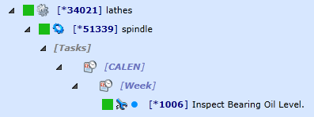
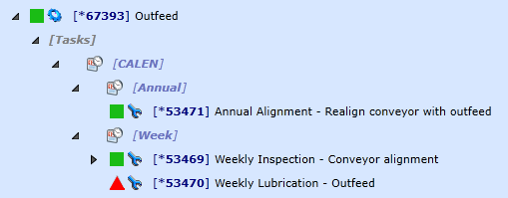

 |  | >>Show Suppressed Tasks

 |  | >Sort Order
 |  | >>Sequence Number
 |  | >>Display Text

 |  | Quick Navigation Feature & Advanced Breadcrumb (arrows shortcut)
 |  | Search Feature - only on Code
 |  | Navigate to Tree from Detail Records Custom Action

User Rights | Other | None | Change Management | Additional | Approve/Reject development changes for Asset Types
 | Other | None | Change Management | Additional | Make development changes for Asset Types

Modifications to consider | 34479 | Please change the Asset type Tree and Asset Tree signs to not show the option to expand the current Parent when there are no children underneath the parent | Need to consider implications of this, together with Display options query, because if there are many children it has to do calculations which can reduce efficiency.

10. AT Task
Asset Type Task
CRUD | Caption | Type | Required | Read-only | Default | Additional Information
 | Code | String | X
 | Description | String | X
 | Alternative Description | String | X
 | Site | Lookup | X
 | Sequence Number | Integer | X
 | Active | Boolean |  | X | 1
 | Mandatory | Boolean
 | Importance | Lookup | X
 | Type of work | Lookup | X
 | Inspection | Boolean
 | Reading Required | Boolean
 | Monitoring Point Type | Lookup | X
 | Section | Lookup | X
 | Trade | Lookup | X
 | Staff Member | Lookup | X
 | Motion Type | Enum |  |  |  | Stationary or In Motion / Only when stationary / Only when In Motion
 | Component Count | Integer
 | Duration per Unit | hhh:mm
 | Total Calculated Duration | Calculated
 | Downtime per Unit | hhh:mm
 | Total Calculated Downtime | Calculated
 | Total Downtime | hhh:mm
 | Interval Type | Lookup
 | Default Interval | Lookup
 | Non-usage Based Reading Required | Boolean
 | Event | Lookup
 | Task Roll-up point | Lookup
 | Scheduling Method | Enum |  |  |  | Schedule from Last Scheduled / Schedule from Last Done
 | Days to schedule on | Enum |  |  |  | Working and Non-working days / Only working days / Only non-working days
 | Season | Enum |  |  |  | In season or out of season / Only in season / Only out of season
 | Machine state | Enum |  |  |  | Running or Not Running / Only running / Only not running
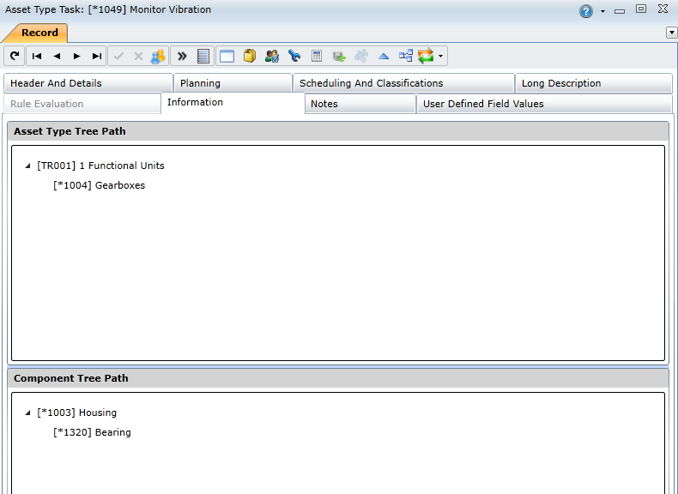
 | Classification 1 | Lookup
 | Classification 2 | Lookup
 | Classification 3 | Lookup
 | Classification 4 | Lookup
 | Classification 5 | Lookup
 | Classification 6 | Lookup
 | Classification 7 | Lookup
 | Classification 8 | Lookup
 | Print Long Description on Work Order | Boolean
 | Long Description | String

User Rights | Asset Register | Asset Configuration | Asset Type Tasks | Standard | View
 | Asset Register | Asset Configuration | Asset Type Tasks | Standard | Change
 | Asset Register | Asset Configuration | Asset Type Tasks | Standard | Change Code
 | Asset Register | Asset Configuration | Asset Type Tasks | Standard | Change Active
 | Asset Register | Asset Configuration | Asset Type Tasks | Standard | Insert
 | Asset Register | Asset Configuration | Asset Type Tasks | Standard | Delete
 | Asset Register | Asset Configuration | Asset Type Tasks | Standard | Lookup

Mods to consider | Force user to specify if a task is statutory or not
 | Please investigate the possibility of forcing users to classify a task as statutory or not. There might be more than one type of statutory task classification (ISO, international, etc.) so it might be a case of having different statutory options for the statutory task classification (like type of work) and then forcing users to configure the option as being statutory or not. We need this type of functionality to calculate the Statutory Task Compliance (KPI) in the BI platform.

 | Johan Hendriks
 | To have the ability to indicate a dependency between a tasks or components to specify these tasks or components should be maintained at the same time. This dependency should also have an impact on: • the criticality of the task/components for planning and scheduling purposes • and have an influence on task intervals, to make sure there is alignment of dependant tasks’ intervals. Background: Currently On Key does not have the functionality to indicate a dependency between tasks or components; other than follow-up or suppression. The follow-up and suppression functionality in limited to tasks and is only a way indicate a direct dependency for tasks with a very specific objective. Eg Component Dependency: Component X is critical A and Component Y is critical C. When one performs maintenance on Component X you need to open a part of the equipment, which takes 30min. Once the equipment is open the engineer/technician also has direct access to Component Y and should perform maintenance on Component Y as well. Eg Task Dependency: Task X is critical A, Task Y is critical C and Task Z is critical B. When one performs Task X it has a direct impact on the performance of other components and Task Y and Task Z should also be done. Please let me know if you require further clarification.

